Bike Purchase Analysis
Bike Purchase Analysis

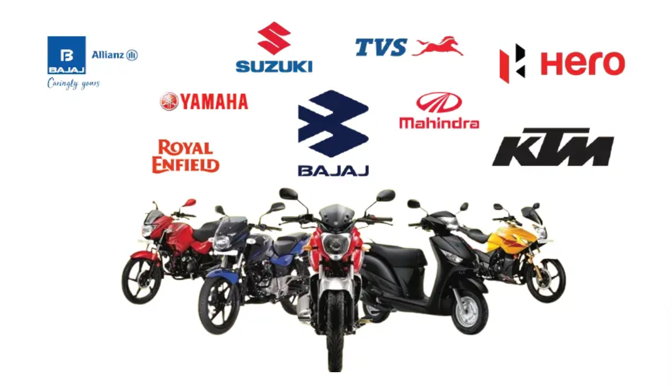
Gender Analysis
 | Total
Female | 81
Male | 67
Merital Status Analysis
 | Total
Married | 73
Single | 75
Age Distribution
 | Total
25-29 | 7
30-34 | 18
35-39 | 53
40-44 | 27
45-49 | 13
50-54 | 18
55-59 | 4
60-64 | 5
65-69 | 2
70-74 | 1

Income by Profession
 | Total
Clerical | 33593.75
Management | 100000
Manual | 20952.380952
Professional | 105500
Skilled Manual | 43684.210526

Analysis
Age Distribution
Row Labels | Count of Gender
Female | 81 | Row Labels | Count of Marital Status | Row Labels | Average of Income | Row Labels | Count of Gender
Male | 67 | Married | 73 | Clerical | 33593.75 | 25-29 | 7
Grand Total | 148 | Single | 75 | Management | 100000 | 30-34 | 18
 |  | Grand Total | 148 | Manual | 20952.380952 | 35-39 | 53
 |  |  |  | Professional | 105500 | 40-44 | 27
 |  |  |  | Skilled Manual | 43684.210526 | 45-49 | 13
 |  |  |  | Grand Total | 42364.864865 | 50-54 | 18
Gender Analysis
 |  |  |  |  |  | 55-59 | 4
Merital Status Analysis
 |  |  |  |  |  | 60-64 | 5
 |  |  |  |  |  | 65-69 | 2
 |  |  |  |  |  | 70-74 | 1
 |  |  |  |  |  | Grand Total | 148

Income by Profession

